Chapter B
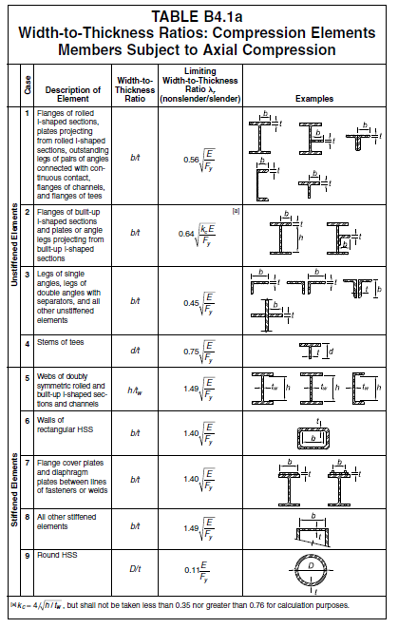
E = | 200,000 | Mpa
Width-to-Thickness Ratios for Compression Members
Section Shape (Width to thick ratio) |  | Shape | Equation | kc = 4/√(h/tw) (0.35~0.76) | Limiting Width to Thickness Ratio λr (nonslender/slender)
 |  |  |  |  | Fy=250Mpa | Fy=345Mpa
(b/tf) for flange |  | H,T,C | 0.56 √(E/Fy) | - | 15.8 | 13.5
 |  | L | 0.45 √(E/Fy) |  | 12.8 | 10.5
 |  | Built Up | 0.64 √(kc E/Fy) | 0.35 | 10.7 | 9.1
 |  |  |  | 0.50 | 12.8 | 10.9
 |  |  |  | 0.76 | 15.8 | 13.4
H (h/tw) for Web |  | H | 1.40 √(E/Fy) | - | 39.6 | 33.7
T (h/tw) for Web |  | T | 0.75 √(E/Fy) | - | 21.2 | 18.1
압축재는 가급적 Slender Member를 지양 함.

Chapter E1
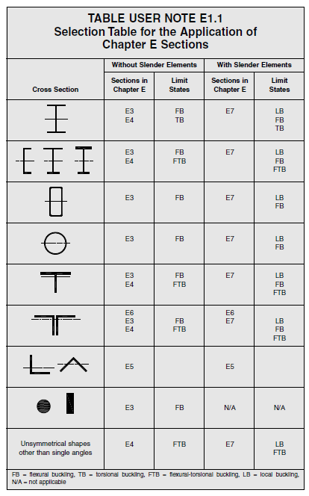
E1. GENERAL PROVISIONS

The nominal compressive strength, Pn, shall be the lowest obtained from (E3) or (E4)

The Design Compressive Strength, ψ Pn
The Allowable Compressive Strength, Pn/Ω

 | ψ=0.9 Ω=1.67
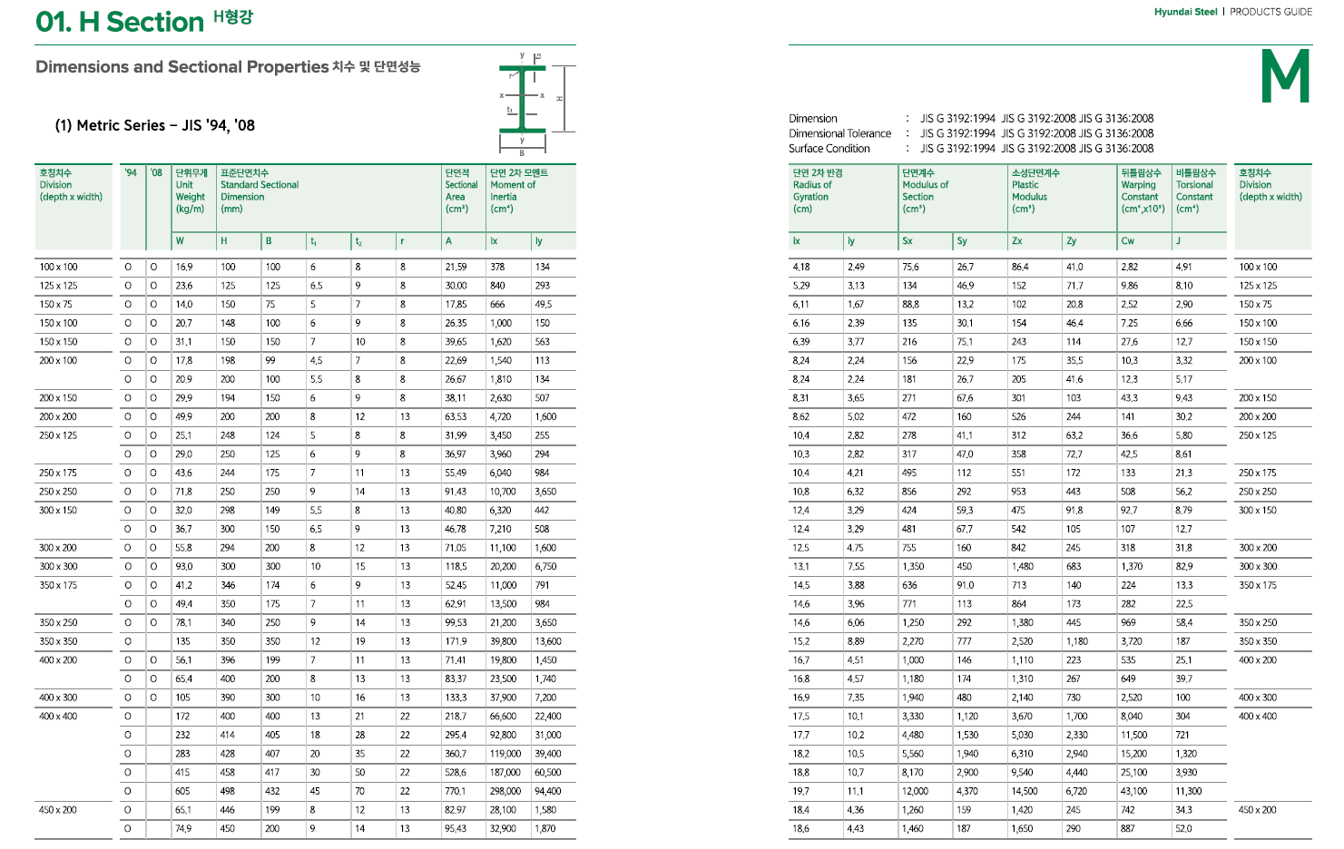

E3. FLEXURAL BUCKLING OF MEMBERS WITHOUT SLENDER ELEMENTS
 | (H, Channel, Box, Pipe, T, 2Ls 형상의 Flexural Buckling인 경우)

$π^{2}$ E / $λ^{2}$
 | E = | 200,000 | Mpa
 | Fe = |  | Mpa | (Elastic buckling stress)
$$4.71\sqrt{\frac{E}{Fy}=}$$
 |  | 133 |  | (Limiting 세장비 for Fy =250Mpa)
 |  | 113 |  | (Limiting 세장비 for Fy =345Mpa)

 | 세장비(λ)에 따른 Critical Stress(Fcr) |  |  | Fy = | 250 | Mpa
 | λ | Fe | Fy/Fe=α | 0.658α | Fcr (E3-2) | Fcr (E3-3) | Pn
 | 1 | 1971920 | 0.00 | 1.00 | 250 | 1729374 | 250Ag
 | 20 | 4930 | 0.05 | 0.98 | 245 | 4323 | 245Ag
 | 40 | 1232 | 0.20 | 0.92 | 230 | 1081 | 230Ag
 | 60 | 548 | 0.46 | 0.83 | 207 | 480 | 207Ag
 | 80 | 308 | 0.81 | 0.71 | 178 | 270 | 178Ag
 | 100 | 197 | 1.27 | 0.59 | 147 | 173 | 147Ag
 | 113 | 154 | 1.62 | 0.51 | 127 | 135 | 127Ag
 | 133 | 111 | 2.24 | 0.39 | 98 | 98 | 98Ag
 | 160 | 77 | 3.25 | 0.26 | 64 | 68 | 68Ag
 | 180 | 61 | 4.11 | 0.18 | 45 | 53 | 53Ag
 | 200 | 49 | 5.07 | 0.12 | 30 | 43 | 43Ag
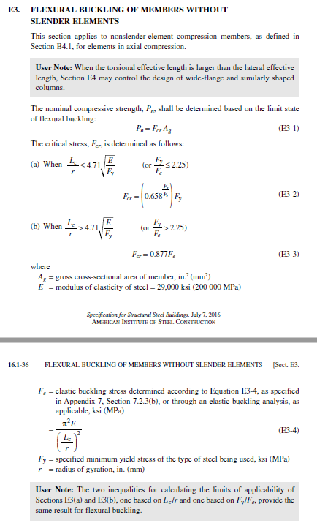
 | Ag 는 Section Area
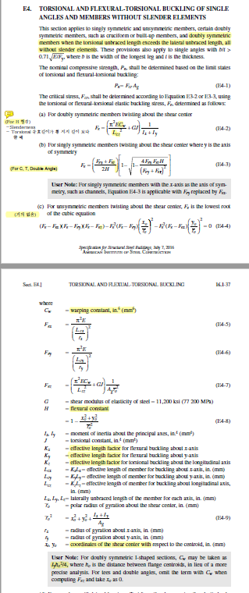
 | 세장비(λ)에 따른 Critical Stress(Fcr) |  |  | Fy = | 345 | Mpa
 | λ | Fe | Fy/Fe | 0.658α | Fcr (E3-2) | Fcr (E3-3) | Pn
 | 1 | 1971920 | 0.00 | 1.00 | 345 | 1729374 | 345Ag
 | 20 | 4930 | 0.07 | 0.97 | 335 | 4323 | 335Ag
 | 40 | 1232 | 0.28 | 0.89 | 307 | 1081 | 307Ag
 | 60 | 548 | 0.63 | 0.77 | 265 | 480 | 265Ag
 | 80 | 308 | 1.12 | 0.63 | 216 | 270 | 216Ag
 | 100 | 197 | 1.75 | 0.48 | 166 | 173 | 166Ag
 | 113 | 154 | 2.23 | 0.39 | 135 | 135 | 135Ag
 | 133 | 111 | 3.09 | 0.27 | 94 | 98 | 98Ag
 | 160 | 77 | 4.48 | 0.15 | 53 | 68 | 68Ag
 | 178 | 62 | 5.54 | 0.10 | 34 | 55 | 55Ag
 | 200 | 49 | 7.00 | 0.05 | 18 | 43 | 43Ag
 | Ag 는 Section Area

E4. TORSIONAL AND FLEXURAL-TORSIONAL BUCKLING OF SINGLE ANGLES AND MEMBERS
WITHOUT SLENDER ELEMENTS
 | (H, Channel, T, 2Ls 형상의 Flexural-Torsional Buckling인 경우)

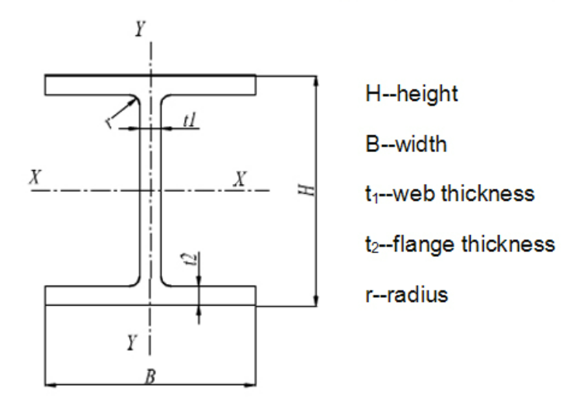
a) For doubly symmetric members(H) twisting about the shear center
(Torsional unbraced length가 횡좌굴 길이를 초과할 경우 지배 함.)
 | Fy = | 345 | Mpa
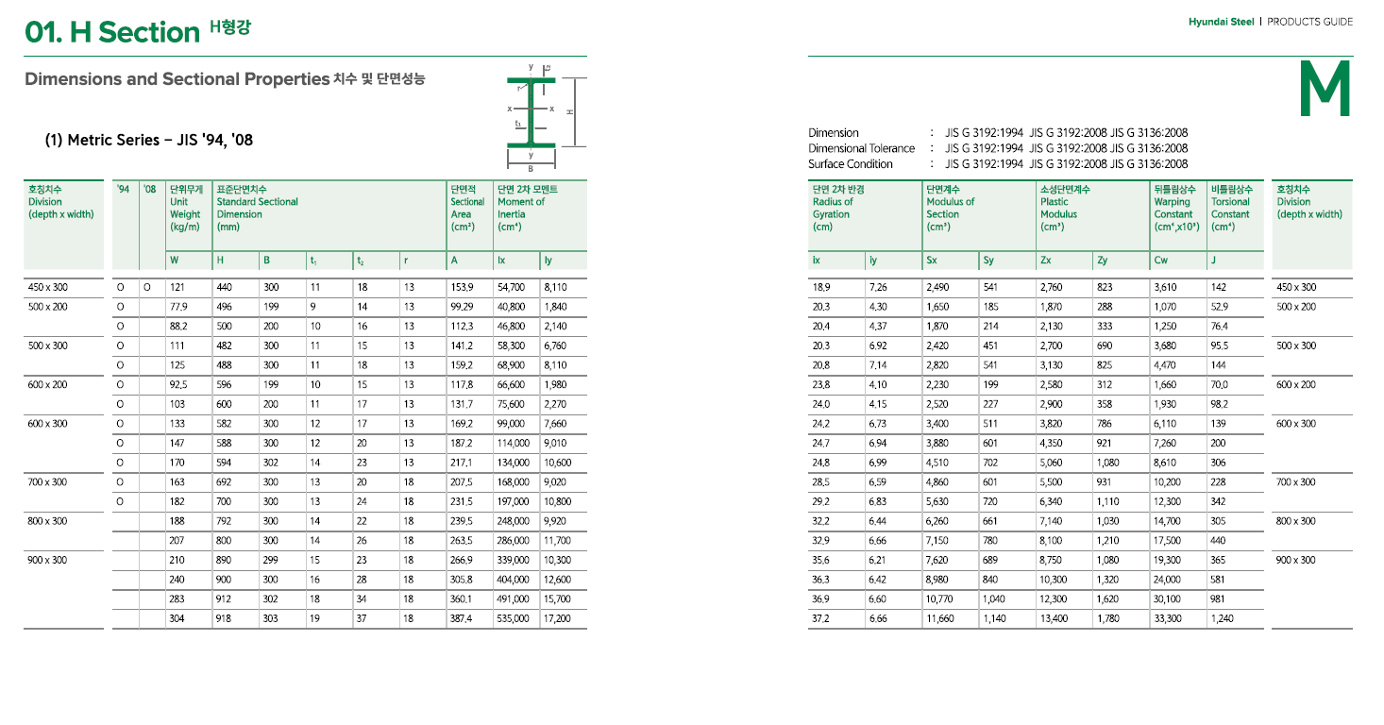
 | H = | 700 | mm
 | B = | 300 | mm
 | tw = | 13 | mm
 | tf = | 24 | mm
 | Cw = | 12338352000000 | mm6 | for warping constant
 | J= | 3242281 | mm4 | for torsional constant
 | Ix = | 1,946,069,925 | mm4
 | Iy = | 108,119,370 | mm4
 | Ag = | 22876 | mm2
 | x0= | 0 | mm | for shear center
 | y0= | 0 | mm | for shear center
 | rx = | 292 | mm | for radius of gyration
 | ry = | 69 | mm | for radius of gyration
 | ro = | 300 |  | for radius of gyration about the shear center

 | Lcx = | 3000 | mm | for effective length |  | λx = | 10.3
 | Lcy= | 3000 | mm | for effective length |  | λy = | 43.6
 | Lcz= | 6000 | mm | for effective length for torsional
 | Fex = | 18639.1 | Mpa | Fy/Fex= | 0.02 | Fcrx= | 342.3 | Mpa
 | Fey = | 1035.5 | Mpa | Fy/Fey= | 0.33 | Fcry= | 300.1 | Mpa
 | Fez= | 450.9 | Mpa | Fy/Fez= | 0.77 | Fcrz= | 250.5 | Mpa
 | ψ= | 0.9
 | Ω= | 1.67
 | ψPn = | 5,156 | kN | =0.9 x Min(Fcrx, Fxry, Fcrz) x Ag |  |  |  |  | 비틀림은 torsion이라고 그러고, 뒤틀림은 warping이라고 합니다.
 | Pn/Ω = | 3,431 | kN | =1/1.67 x Min(Fcrx, Fxry, Fcrz) x Ag |  |  |  |  | 일반적으로 torsion이 일어나면, 축방향(길이방향)으로는 아무런 변위가 일어나지 않습니다. 주로 Closed section에서 그렇지요. 단면이 ㅁ자 모양일때를 생각하시면 됩니다.
 |  |  |  |  |  |  |  |  | 하지만, warping이 일어나면, 축방향(길이방향)으로 변위가 일어납니다. 즉, 나는 분명 힘을 옆으로 줬는데 90도방향으로도 추가로 변위가 일어나는 거지요. 주로 Open section에서 그렇습니다. 단면이 ㄷ자 모양입니다.
Reference |  |  |  |  |  |  |  |  | ​
Lcz(mm) | 3000 | 6000 | 9000 | 12000 | 15000 | 18000 | 21000 | 24000 | 이 둘의 차이는 축방향 변위의 유무입니다.
Fe(Mpa) | 1438 | 451 | 268 | 204 | 174 | 158 | 149 | 142 | [출처] torsion & warping|작성자 자유로운방랑자

Chapter E2
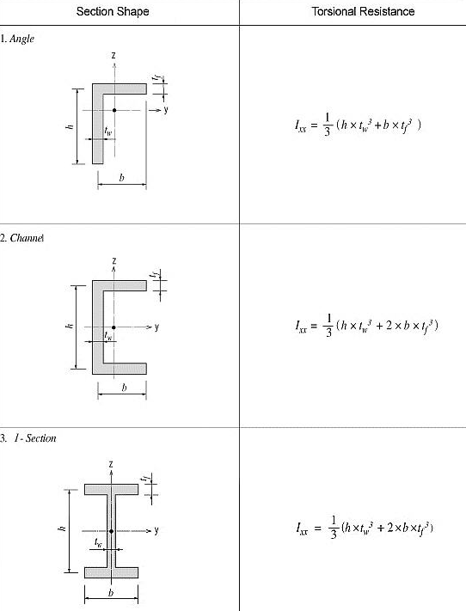
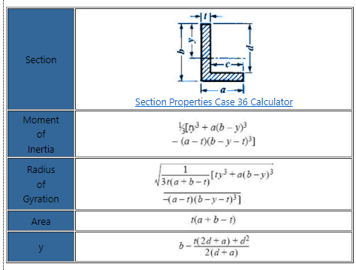
CHAPTER E DESIGN OF MEMBERS FOR COMPRESSION
 |  |  |  |  |  |  |  |  |  |  |  |  |  |  |  |  |  |  |  |  |  |  |  |  |  |  |  |  |  |  |  | Unit-mm.N |  |  |  |  |  |  |  |  |  |  |  |  |  |  |  |  |  | Unit-mm.N
MEMBER DIMENSION |  |  |  |  | PROPERTIES |  |  |  |  |  |  |  |  |  | CONSTANT |  |  | UNBRACED LENGTH |  |  | SLENDERNESS RATIO |  | ELASTIC BUCKLING OR TWISTING STRESS |  |  |  |  |  | CRITICAL STRESS |  |  | DESIGN STRENGTH-1 | RATIO OF REDUCTION AREA OF SLENDER ELEMENT FLANGE (E7.2~E7.5) |  |  |  |  |  |  |  | RATIO OF REDUCTION AREA OF SLENDER ELEMENT WEB (E7.2~E7.5) |  |  |  |  |  |  |  | DESIGN STRENGTH-2
$$λ_{r}$$
$$λ_{r}\sqrt{\frac{F_{y}}{F_{cr}}}$$
$$λ_{f}$$
$$F_{el}$$
$$\sqrt{\frac{F_{el}}{F_{cr}}}$$
$$λ_{r}$$
$$λ_{r}\sqrt{\frac{F_{y}}{F_{cr}}}$$
$$λ_{w}$$
$$F_{el}$$
$$\sqrt{\frac{F_{el}}{F_{cr}}}$$
Shape | H (D) | B(2L) | tw | tf | Fy | Ag | Weight ( kg/m) | Ix | Iy | rx | ry | x0 | y0 | ro | Cw | J | H | KLx | KLy | KLz | Lcy/rx | Lcy/ry | Fex (E3-4) (E4-5) | Fey (E3-4) (E4-6) | Fez (E4-7) | Fet (E4-2) | Fet (E4-3) | Fe,min (x,y,t) | Fy/Fe (2.25) | Fcr(a) (<) | Fcr(b) (>) | 0.9 (Pn=Fcr Ag) |  |  |  | c1 | c2 |  |  | Ratio of Reduction Area |  |  |  | c1 | c2 |  |  | Ratio of Reduction Area | Ae | 0.9 (Pn=Fcr Ae)
H | 400 | 200 | 4 | 6 | 250 | 3952 | 31 | 1.13E+08 | 8.00E+06 | 168.8 | 45.0 | 0 | 0 | 175 | 3.10E+11 | 3.72E+04 | 1.000 | 12,000 | 6,000 | 6,000 | 71 | 133 | 391 | 111 |  | 165 | - | 111 | 2.25 | - | 97 | 0.3 kN | 15.8 | 25.38 | 16.7 | 0.22 | 1.49 | 501 | 71.75 | 1.000 | 42.1 | 68 | 97 | 0.18 | 1.31 | 81 | 28.84 | -120.874 | -185196 | -16.2 kN
T | 200 | 200 | 8 | 12 | 250 | 3904 | 31 | 8.11E+06 | 8.01E+06 | 45.6 | 45.3 | 0 | 44.52 | 78 | 2.10E+08 | 1.47E+05 | 0.676 | 4,000 | 2,000 | 2,000 | 88 | 44 | 256 | 1012 | 481 |  | 206 | 206 | 1.21 | 150 | - | 528.8 kN | 15.8 | 20.41 | 8.3 | 0.22 | 1.49 | 2005 | 3.65 | 1.000 | 21.2 | 27 | 24 | 0.18 | 1.31 | 350 | 1.52 | 1.000 | 3904 | 528.8 kN
C | 300 | 90 | 8 | 16 | 250 | 5024 | 39 | 7.10E+07 | 4.02E+06 | 118.9 | 28.3 | 27.5 | 0 | 125 | 3.98E+10 | 2.94E+05 | 0.952 | 6,000 | 3,000 | 6,000 | 50 | 106 | 775 | 176 | 316 |  | 167 | 167 | 1.50 | 133 | - | 603.2 kN | 15.8 |  | 5.6 | 0.22 | 1.49 |  |  |  | 42.1 |  | 34 | 0.18 | 1.31
L | 100 | 100 | 12 |  | 250 | 2256 | 18 | 2.10E+06 | 2.10E+06 | 30.5 | 30.5 | 29.4 | 29.4 | 60 | 9.60E+07 | 1.01E+05 | 0.518 | 3,000 | 3,000 | 3,000 | 98 | 98 | 204 | 204 | 969 |  | 184 | 184 | 1.36 | 141 | - | 287.0 kN | 12.7 |  | 8.3 | 0.22 | 1.49 |  |  |  |  |  |  | 0.18 | 1.31
2L | 100 | 200 | 12 |  | 250 | 4512 | 35 | 4.20E+06 | 1.20E+07 | 30.5 | 51.6 | 29 | 29.4 | 73 | 8.16E+08 | 1.59E+05 | 0.675 | 6,000 | 3,000 | 6,000 | 197 | 58 | 51 | 583 | 513 |  | 49 | 49 | 5.07 | - | 43 | 0.2 kN | 12.7 |  | 8.3 | 0.22 | 1.49 |  |  |  |  |  |  | 0.18 | 1.31
PIPE | 200 |  | 3 |  | 250 | 1857 | 15 | 9.01E+06 | 9.01E+06 | 69.7 | 69.7 | - | - | - | - | - | - | 6,000 | 3,000 | 6,000 | 86 | 43 | 266 | 1064 |  |  | - | 266 | 0.94 | 169 | - | 281.9 kN | 88.0 |  | 66.7 | 0.22 | 1.49 |  |  |  |  |  |  | 0.18 | 1.31
BOX | 200 | 200 | 3 |  | 250 | 2364 | 19 | 1.53E+07 | 1.53E+07 | 80.4 | 80.4 | - | - | - | - | - | - | 6,000 | 6,000 | 6,000 | 75 | 75 | 355 | 355 |  |  | - | 355 | 0.70 | 186 | - | 396.0 kN | 39.6 |  | 66.7 | 0.20 | 1.38 |  |  |  |  |  |  | 0.20 | 1.38
 |  |  |  |  |  |  |  |  |  |  |  |  |  |  |  |  |  |  |  |  |  |  |  |  |  |  |  |  |  |  |  |  |  |  |  |  |  |  |  |  |  |  |  |  |  | (1.31*42.1/97)^2*250 | 97.367093861
For Individual Angle or web Angle in Two Dimension Truss(E5-1&2) |  |  |  |  |  |  |  |  |  |  | For Built Up Members(E6-1&2)
ra | = | 29.4 |  | for radius of gyration about x or y axis |  |  |  |  |  |  | a |  |  |  | distance between connectors |  |  |  |  |  |  |  |  |  |  |  |  |  |  |  |  |  |  |  |  |  |  |  |  |  |  |  |  | -120.87387637
L | = | 3000 |  | for length between work points |  |  |  |  |  |  | ri | = | 28 |  | min. radius of gyration of individual component |  |  |  |  |  |  |  |  |  |  |  |  |  |  |  |  |  |  |  |  |  |  |  |  |  |  |  |  | 0.18
L/ra | = | 102.0 |  |  |  |  |  |  |  |  | a/ri | = | 40 |  |  |  |  |  |  |  |  |  |  |  |  |  |  |  |  |  |  |  |  |  |  |  |  |  |  |  |  |  |  | 28.84
Lc/r | = | 147.0 |  | for the effective slenderness ratios |  |  |  |  |  |  | max. a | = | ri x 40 | = | 1120 | mm |  |  | (E6-2a)

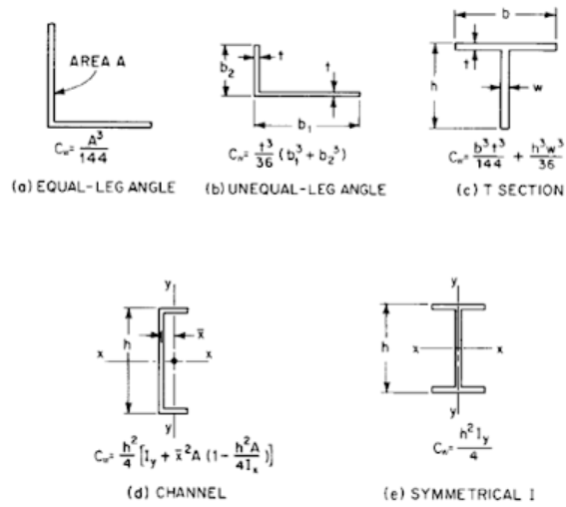
 |  | Cw=Warping Constant(mm6)
 |  |  |  |  |  |  |  |  |  |  |  |  |  | J=Torsional Constant(mm4)

H.W
2022-02-09
H.W #1 | AISC 360의 Section E3에 따라서 강재 항복강도 Fy=250Mpa, Fy=345Mpa에 대하여 아래 표와 같이 Excel로 작성
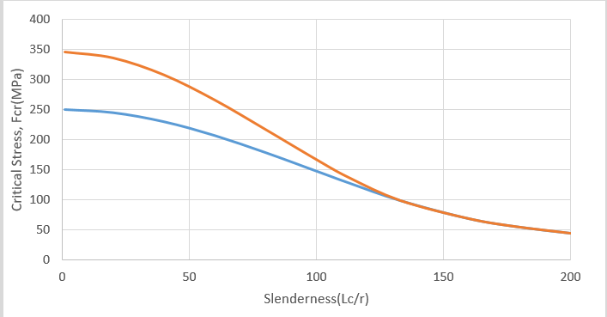

H.W #2 | 상기 그림과 같이 작성된 도표를 이용하여 다음 조건의 기둥의 압축 설계 강도 ? |  |  |  |  |  |  |  | (Design Example E.1D 참조)
 |  |  |  |  |  |  |  |  |  |  | Unit- kN.mm
 | 부재 형상 |  |  |  | kLx(S) | kLy(W) |  |  | ψPn | Pn/ψ | 단위무게
 | H-248 x 249x 8 x 13 |  |  |  | 3000 | 3000 |  |  |  |  | 66kg/m
 | H-248 x 249x 8 x 13 |  |  |  | 6000 | 3000
 | H-248 x 249x 8 x 13 |  |  |  | 3000 | 6000
 | H-248 x 249x 8 x 13 |  |  |  | 6000 | 6000
 | H-400 x 200 x 8 x 13 |  |  |  | 3000 | 3000 |  |  |  |  | 66kg/m
 | H-400 x 200 x 8 x 13 |  |  |  | 6000 | 3000
 | H-400 x 200 x 8 x 13 |  |  |  | 3000 | 6000
 | H-400 x 200 x 8 x 13 |  |  |  | 6000 | 6000

2022-02-25
H.W #1 | 아래 열거된 5개 부재의 유효 좌굴길이에 대한 설계 강도를 구하시오

$$λ_{r}$$
$$λ_{r}\sqrt{\frac{F_{y}}{F_{cr}}}$$
$$λ_{f}$$
$$F_{el}$$
$$\sqrt{\frac{F_{el}}{F_{cr}}}$$
$$λ_{r}$$
$$λ_{r}\sqrt{\frac{F_{y}}{F_{cr}}}$$
$$λ_{w}$$
$$F_{el}$$
$$\sqrt{\frac{F_{el}}{F_{cr}}}$$
 | MEMBER DIMENSION |  |  |  |  | PROPERTIES |  |  |  |  |  |  |  |  |  | CONSTANT |  |  | UNBRACED LENGTH |  |  | SLENDERNESS RATIO |  | ELASTIC BUCKLING OR TWISTING STRESS |  |  |  |  |  | CRITICAL STRESS |  |  | DESIGN STRENGTH-1 | RATIO OF REDUCTION AREA OF SLENDER ELEMENT FLANGE (E7.2~E7.5) |  |  |  | RATIO OF REDUCTION AREA OF SLENDER ELEMENT WEB (E7.2~E7.5) |  |  |  | DESIGN STRENGTH-2
 | Shape | H (D) | B(2L) | tw | tf | Fy | Ag | Weight ( kg/m) | Ix | Iy | rx | ry | x0 | y0 | ro | Cw | J | H | KLx | KLy | KLz | Lcy/rx | Lcy/ry | Fex (E3-4) (E4-5) | Fey (E3-4) (E4-6) | Fez (E4-7) | Fet (E4-2) | Fet (E4-3) | Fe,min (x,y,t) | Fy/Fe (2.25) | Fcr(a) (<) | Fcr(b) (>) | 0.9 (Pn=Fcr Ag) |  | c1 | c2 | Ratio of Reduction Area |  | c1 | c2 | Ratio of Reduction Area | Ae | 0.9 (Pn=Fcr Ae)
 | H | 400 | 200 | 8 | 13 | 250 | 8192 | 64 | 2.30E+08 | 1.73E+07 | 167.4 | 46.0 | 0 | 0 | 174 | 6.49E+11 | 3.59E+05 | 1.000 | 12,000 | 6,000 | 6,000 | 72 | 130 |  |  |  |  | - | 0 |  |  |  |  |  | 0.22 | 1.49 |  |  | 0.18 | 1.31
 | H | 400 | 200 | 4 | 6 | 251 | 3952 | 31 | 1.13E+08 | 8.00E+06 | 168.8 | 45.0 | 0 | 0 | 175 | 3.10E+11 | 3.72E+04 | 1.000 | 12,000 | 6,000 | 6,000 | 71 | 133
 | H | 400 | 200 | 4 | 6 | 252 | 3952 | 31 | 1.13E+08 | 8.00E+06 | 168.8 | 45.0 | 0 | 0 | 175 | 3.10E+11 | 3.72E+04 | 1.000 | 12,000 | 1,500 | 1,500 | 71 | 33
 | T | 200 | 200 | 8 | 13 | 250 | 4096 | 32 | 7.96E+06 | 8.67E+06 | 44.1 | 46.0 | 0 | 43.02 | 77 | 2.36E+08 | 1.78E+05 | 0.687 | 4,000 | 8,000 | 8,000 | 91 | 174 |  |  |  |  |  | 0 |  |  |  |  |  | 0.22 | 1.49 |  |  | 0.18 | 1.31
 | T | 200 | 200 | 8 | 13 | 250 | 4096 | 32 | 7.96E+06 | 8.67E+06 | 44.1 | 46.0 | 0 | 43.02 | 77 | 2.36E+08 | 1.78E+05 | 0.687 | 8,000 | 4,000 | 8,000 | 181 | 87 |  |  |  |  |  | 0 |  |  |  |  |  | 0.22 | 1.49 |  |  | 0.18 | 1.31

H.W #2 | 도면번호(MD1-0-A-201-54-00033)의 MAIN TRUSS(MT1)의 상현재의 설계 강도는 얼마인가요.

H.W #3 | 도면번호(MD1-0-A-201-54-00001)에서 건물 그리드 3/B번 C7의 기둥의 상현재의 설계 강도는 얼마인가요.

Chapter F
CHAPTER F
DESIGN OF MEMBERS FOR FLEXURE

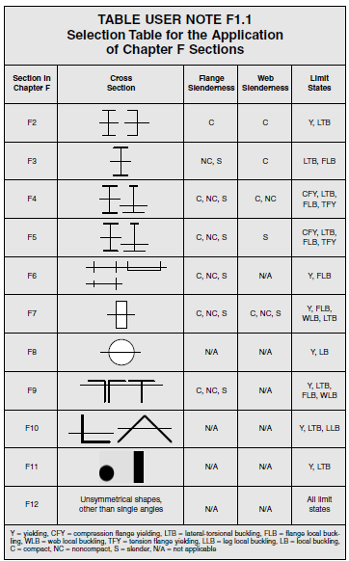
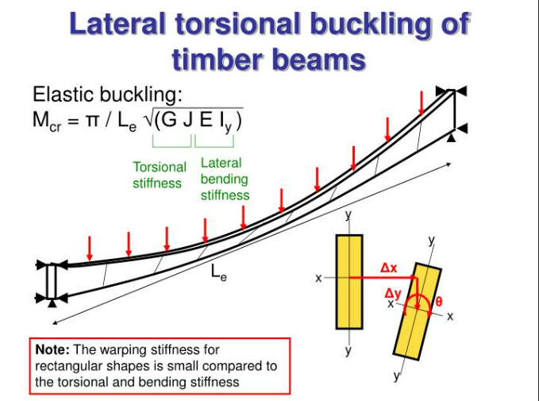
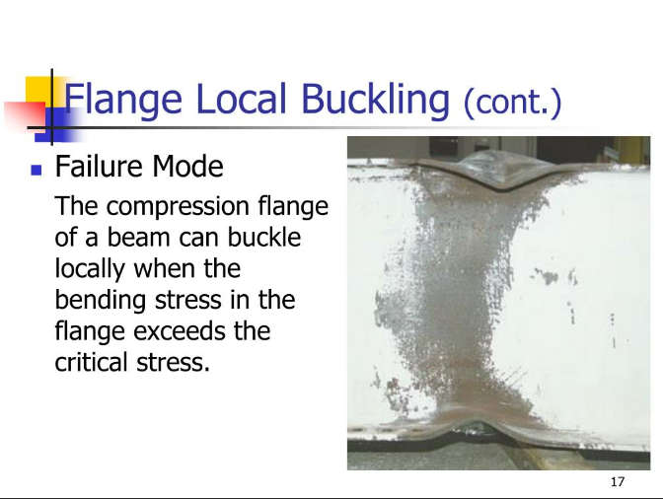

F1. GENERAL PROVISIONS
 |  |  |  |  |  | (F1-1)
 | Cb = | 1.8765133172 |  |  |  | for Lateral torsional buckling modificaiton factor | 하중 조건 | Cb
 | Max= | 3100000000 | N.mm | 3100 | kN.m | for absolute value of max. moment | 단순보의 등분포 | 1.5
 | MA= | 2000000000 | N.mm | 2000 |  | for absolute value of moment at 1/4 | 연속보의 등분포 | 2.3
 | MB= | 1500000000 | N.mm | 1500 |  | for absolute value of moment at 1/2 | 모멘트 하중 | 1
 | MC= | 300000000 | N.mm | 300 |  | for absolute value of moment at 3/4 | 연속보 측면하중 | 2.3

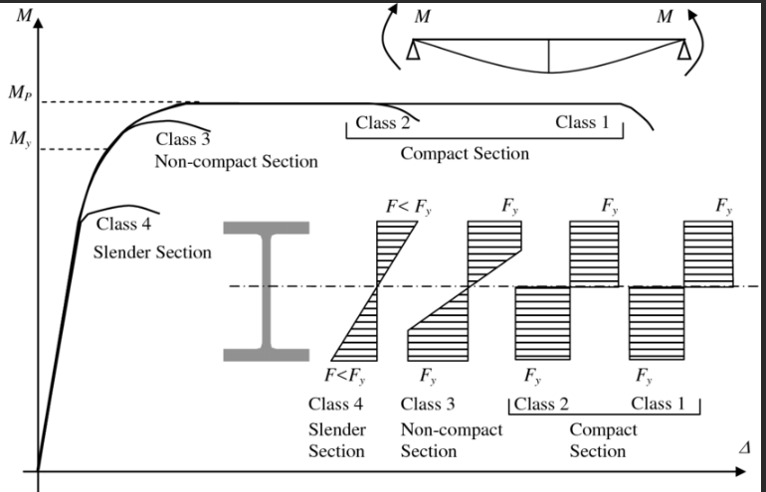
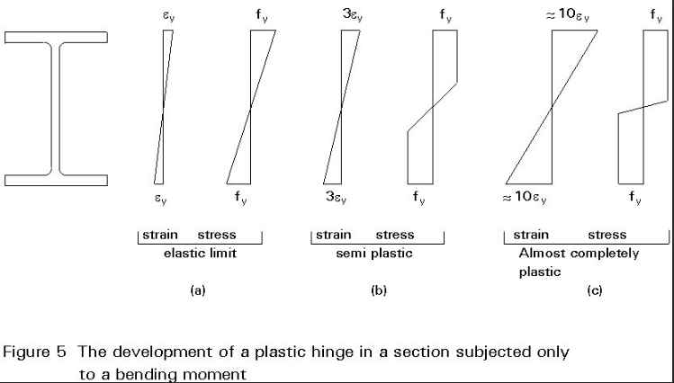

 | F2. DOUBLY SYMMETRIC COMPACT H SHAPE MEMBERS AND CHANNEL BEND ABOUT THEIR MAJOR AXIS

 | 1. Yielding

 | Mp is plastic moment

 | 2. Lateral-Torsional Buckling

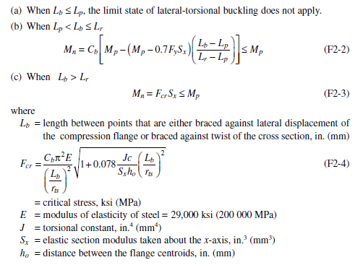

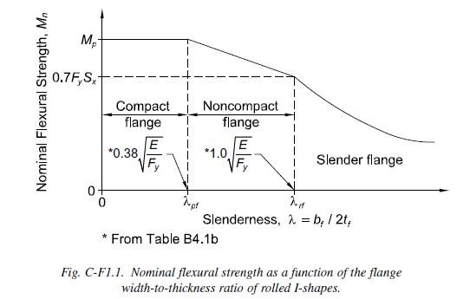
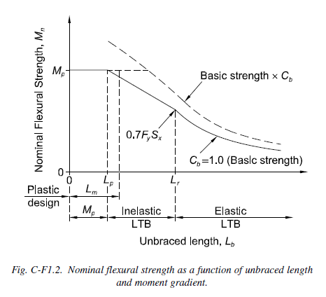

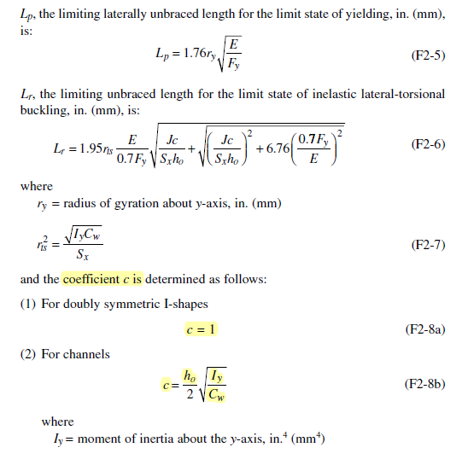

 | F3. DOUBLY SYMMETRIC H SHAPE MEMBERS WITH COMPACT WEBS AND
 | NONCOMPACT OR SLENDER FLANGE BENT ABOUT THEIR MAJOR AXIS

 |  |  |  | Width Thickness Ratio |  | Unbraced Length
 | F2 | Flange=C, Web=C |  | FLANGE 그래프 1 구간 |  | UL 그래프 1, 2, 3구간 |  |  | 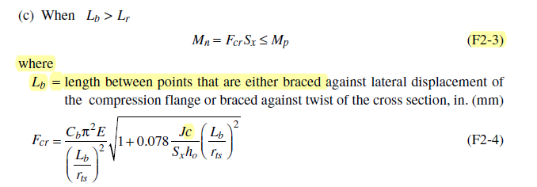
F2 | F3 | Flange=NC,S, Web=C |  | FLANGE 그래프 2,3 구간 |  | UL 그래프 1, 2, 3구간
 | F4 | Flange=C,NC,S, Web=C,NC |  | FLANGE 그래프 1,2,3 구간 |  | UL 그래프 1, 2, 3구간
 | F5 | Flange=C,NC,S, Web=S |  | FLANGE 그래프 1,2,3 구간 |  | UL 그래프 1, 2, 3구간

